Overview
LAG REPORT (updated Sept. 2020)
REPORT OVERVIEW
The Lag Report provides important information regarding length of time between the service date and paid date (‘claims lag’) for medical and pharmacy claims in Colorado. The analysis includes all public and private health insurance payers submitting data to the Colorado All Payer Claims Database (CO APCD), representing the majority of covered lives in the state (not including most self-insured employer covered lives and federal programs such as Tricare, Indian Health Services and the VA). This analysis helps answer several key questions about Colorado claims data: • How long does it typically take to achieve ‘complete data’? • How does claims lag vary by payer type? • How does medical claims lag vary by claim type (i.e. inpatient, outpatient, professional)?
SERVICE DATES INCLUDED
This report includes service dates and paid dates June 1, 2018 through June 30, 2020 for Commercial, Medicaid, and Medicare Advantage payer types. Medicare Fee-For-Service claims are limited to medical paid through December 31, 2019 and pharmacy paid through December 31, 2018.
CLAIMS SELECTION CRITERIA
This report includes all medical and pharmacy claims in the CO APCD.
DATA DEFINITIONS
Cumulative Claim % by Paid Month: Percentage of claims paid within or before the given paid month. For example, 90% of medical claims incurred in July 2018 are paid between the service date and November 30, 2018.

Claim Count by Paid Month: Count of claims stratified by both service month and paid month (not cumulative).
LINE OF BUSINESS ASSIGNMENT
Line of business is determined using the insurance product type code submitted on the medical/pharmacy claim.
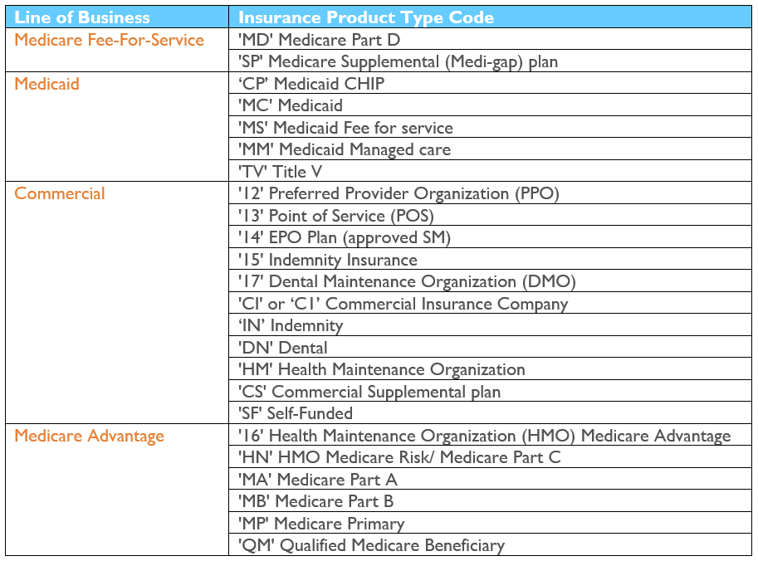
DATA LIMITATIONS
• The CO APCD does not include all Colorado residents or certain types of claims (e.g. Substance Abuse Disorder claims). Within the context of this report, achieving 100% completion means receiving 100% of the claims we would expect to see reflected in the APCD. • This report reflects the best and final claims as of the most recent payer submissions.
DATA VINTAGE
More information regarding the payers represented in this report:
Current CO APCD Data Submitters List
Percent of insured individuals in the CO APCD by Colorado county

